Overview
WBP Invasive Non Native Species Action Audit

Showing details of actions that are in project WBP Invasive Non Native Species Action Audit and sub projects

Project Summary |  |  | Link to project

 | 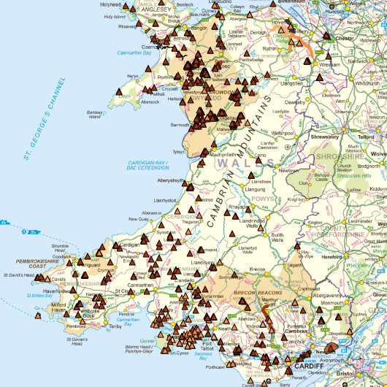
 |  | Actions In Project | Actions Under Project | Owned Actions | Collaborated Actions

 |  | 665 | 0 | 20 | 645

